Analysis Overview
Problem | Content Analysis
Timeline | 2021 (Jan-Dec)

Funnel |  |  | Funnel |  | Funnel
City |  |  | City |  | City
User Type (Reg vs Unreg) |  |  | Registered User |  | UnRegistered User
VOD / Live TV |  |  | VOD / Live TV |  | VOD / Live TV
Content Type |  |  | Content Type |  | Content Type
Content Subtype |  |  | Content Subtype |  | Content Subtype
Content Publish Date |  |  | Content Publish Date |  | Content Publish Date
Playtime |  |  | Playtime |  | Playtime

Solving | Content consumption pattern

Metircs | User Type | User Type Indicates the type of user. (Reg vs Unreg)
** It is seen that when an exclusive content is published to end user for free, they tend to get way more engaged to that particular content. For an example, Password was an exclusive content realesed on May 25, 2020 but it got the most engagement after giving the access for all users (reg, un-reg)

 | Yobora | Google |  |  | UU | Live | VOD | UU (%) | Live (%)
All Users | 5670115 | 8600000 |  | Register Users | 315,499 | 184,725 | 189,833 | 92.39%
Chittagong | 341498 | 166000 |  | Unregister Users | 26,444 | 20,147 | 20,990 | 7.74%
Bangladesh | 5137285 |  |  |  |  |  |  | 100.13%
Percentage | 6.02% | 1.93%
 | 6.65%
 | Unique User | Live TV UU | Premium Live | NPremium Live | VOD UU | Prime VOD UU | NPrime VOD UU |  |  | Live TV | 0.59964333612
Youbora | 341498 | 204777 | 12382 | 195940 | 210984 | 3781 | 207834 |  |  | VOD | 0.61781913803
Percentage |  | 59.96% | 6.05% |  | 61.78%
.

All Users
VOD | 50.75%
Live TV | 49.25%

Total |  | 415761

Total Population | 8440000
Chittagong | 341498 | 4.05%

All users 2021
All Users | 5670

All users of Chittagong in 2021 |  |  |  |  |  |  |  |  | Months (2021) | Top five VOD Contents
Months | Unique User | Live TV UU | Premium Live | NPremium Live | VOD UU | Prime VOD UU | NPrime VOD UU | L:V | January | Moner Moto Manush Pailam Na, Nabab, Password, Cult X, Shikari
 |  |  |  |  |  |  |  |  | February | Moner Moto Manush Pailam Na, Password, 90 Days, Rokto, Crazy Honey
Jan | 40177 | 22892 | 2179 | 22189 | 28013 | 1398 | 27317 | 0.82 | March | Password, Mass Leader, Rokto, Moner Moto Manush Pailam Na, Shikari
Feb | 20463 | 12503 | 32 | 12496 | 14363 | 32 | 14210 | 0.87 | April | Badsha - The Don, Dohon, Password, Shikari, Nabab
Mar | 19836 | 12363 | 4 | 12359 | 13774 | 1 | 13504 | 0.90 | May | Password, Badsha - The Don, Shikari, Nabab, Moner Moto Manush Pailam Na
Apr | 26950 | 17886 | 179 | 17841 | 17578 | 137 | 17231 | 1.02 | June | Shikari, Badsha - The Don, Password, Nabab, Rokto
May | 27560 | 16373 | 138 | 16334 | 19457 | 112 | 19169 | 0.84 | July | Nabab, Badsha - The Don (VOD), Password , Shikari, Girls Squad
Jun | 53,381 | 38,755 | 55 | 38,736 | 28,515 | 46 | 28192 | 1.36 | August | Girls Squad Episode - 01, Nabab, Girls Squad Episode - 12, Girls Squad Episode - 20, Girls Squad Episode - 06
Jul | 87764 | 66726 | 37 | 66694 | 41152 | 57 | 40604 | 1.62 | September | Girls Squad Episode - 01, Nabab, Password, Moner Moto Manush Pailam Na, Girls Squad Episode - 06
Aug | 34761 | 17080 | 8 | 17058 | 25254 | 293 | 24856 | 0.68 | October | Girls Squad Episode - 01, Moner Moto Manush Pailam Na, Panther, Shesh Theke Shuru, Password
Sep | 19773 | 11402 | 7 | 11372 | 13494 | 224 | 13329 | 0.84 | November | Shesh Theke Shuru, Moner Moto Manush Pailam Na, Nabab, Password, Panther
Oct | 31514 | 16938 | 9402 | 7753 | 20483 | 546 | 20133 | 0.83 | December | Password, Shapod, Shesh Theke Shuru, Dohon, Girls Squad Episode - 01
Nov | 29218 | 12701 | 491 | 12361 | 20305 | 514 | 19957 | 0.63
Dec | 30155 | 13556 | 4 | 13512 | 21298 | 690 | 20897 | 0.64
 |  |  |  |  |  |  |  |  | Months (2021) | Top five Live TV Contents
Total | 421552 | 259175 | 12536 | 248705 | 263686 | 4050 | 259399 |  | January | Moner Moto Manush Pailam Na, Somoy TV, Sony Six, Bongo Movies, SONY TEN 2
 |  |  |  |  |  |  |  |  | February | Somoy TV, Sony Aath, SET Max, Sony Six, Zee Bangla
Youbora | 341498 | 204777 | 12382 | 195940 | 210984 | 3781 | 207834 |  | March | Somoy TV, SET Max, Zee Bangla, SONY TEN 2, Sony Aath
 |  |  |  |  |  |  |  |  | April | Somoy TV, Bongo Movies, Independent TV, SONY TEN 2, Sony Six
Difference | 80054 | 54398 | 154 | 52765 | 52702 | 269 | 51565 |  | May | Somoy TV, SONY TEN 2, Sony Aath, Bongo Movies, Independent TV
Max | 87764 | 66726 | 9402 | 66694 | 41152 | 1398 | 40604 |  | June | Sony Six, SONY TEN 2, Somoy TV, Sony Aath, SET Max
Min | 19773 | 11402 | 4 | 7753 | 13494 | 1 | 13329 |  | July | Sony Six, SONY TEN 2, Somoy TV, Sony Aath, Zee Bangla
 |  |  |  |  |  |  |  |  | August | Sony Six, Girls Squad Episode - 01, SONY TEN 2, Somoy TV, Zee Bangla
 |  |  |  |  |  |  |  |  | September | SONY TEN 2, Sony Six, Somoy TV, Sony Aath, Zee Bangla
Top Live TV | Count > 5 |  | Top VOD | Count > 5 |  |  |  |  | October | Bongo Movies, Somoy TV, Zee Bangla, NTV Independent TV
 |  |  |  |  |  |  |  |  | November | Zee Bangla, Somoy TV, Bongo Movies, Shesh Theke Shuru, Independent TV
Somoy TV | 12 |  | Password | 11 |  |  |  |  | December | Zee Bangla, Somoy TV, Bongo Movies, NTV, Password
Zee Bangla | 8 |  | Nabab | 8
Bongo Movies | 6 |  | Shikari | 6
Sony Ten | 7 |  | MMMPN | 5
Sony Six | 7 |  | Badsha | 4
Set Max | 3 |  | Girsl Squad | 3

VOD Content Analysis |  |  |  |  |  |  |  |  | LIVE Tv Content Analysis
Year | Content Type | Title | Content Genre | Published | Pick Days 2021 |  |  |  | Year | Content Type | Title | Content Genre

2021 | movie | Moner Moto Manush Pailam Na | Thriller, Action, Crime, Drama, Romance | 2022 | Jan 1, Jan 6, Jan 27, April 2, April 23, May 29, July 6 |  |  |  | 2021
 |  | Password | Romance,Action,Drama | 2020-05-25 | Jan 16, May 19, May 31, July 12, Oct 09
 |  | Nabab | action,drama,romance | 2019-10-25 | Jan 19, Jun 02, July 01, Aug 02
 |  | Badsha - The Don | action,drama,romance | 2020-03-26 | Jan 16, May 26, July 04, July 22
 |  | Shikari | action, drama | 2019-11-15 | April 02, May 26, July 04, July 09. July 25,
 |  | Rokto | Action | 2020-08-01 | Jan 18, Jan 27, Jun 25

 | drama-serial | Girls Squad Episode - 01 | comedy,drama,romance,women-s-empowerment | 2021-07-21
 |  | Sohosro Ek Rojoni Episode - 01 (Shushongbad ebong Dushshongbad) | drama,family | 2021-03-01
 |  | Sohosro Ek Rojoni Episode - 02 (Rokter Shomporko Osshikar) | drama,family | 2021-03-02
 |  | Mitobayi Motin Episode - 01 | comedy,drama | 2016-10-24
 |  | Jannat Episode - 01 | comedy,drama | 2018-10-15
 |  | Girls Squad Episode - 06 | comedy,drama,romance,women-s-empowerment | 2021-07-26
 |  | Girls Squad Episode - 07 | comedy,drama,romance,women-s-empowerment | 2021-07-27

 | single-drama | 90 Days | drama,romance | 2021-02-13
 |  | The Master Plan | crime,drama,thriller | 2020-12-13
 |  | Honey Honey Moon Moon | drama,romance | 2020-08-15
 |  | Love Box | drama,romance | 2019-05-23
 |  | Fapor | drama | 2019-12-09
 |  | Win or Lose | comedy,drama | 2020-02-01

 | telefilm | Moronottom | Drama, Crime, Thriller | 2021-05-16
 |  | Laboni | drama | 2021-05-17
 |  | Birds Eye | Romance | 2020-08-01
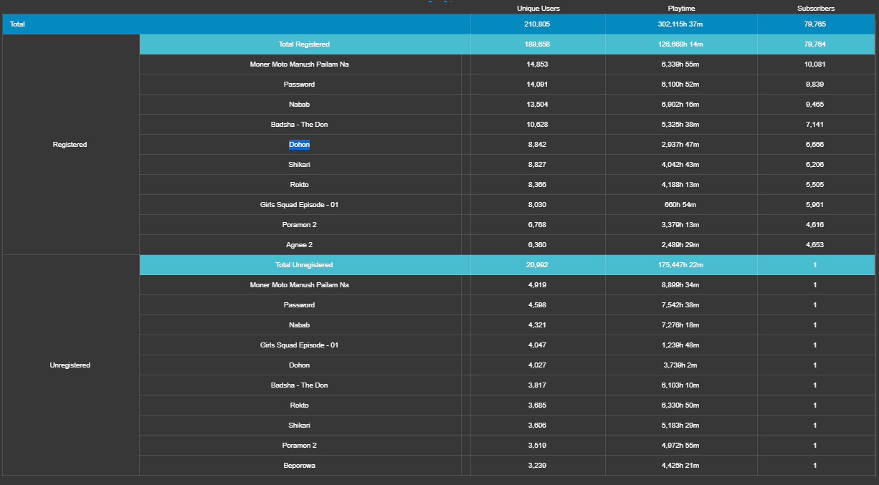
 |  | Dost Dushmon | drama | 2020-09-19
 |  | Alibaba O Chalichar
 |  | Charer Master | drama,romance | 2021-05-18

 | clip | Bongo Football Pundit - EP 02 | talk-show,celebrity,sports
 |  | Shakib-er Nobab LLB Mukti Peleo Atke Gelo Apu Biswas-er Komola | celebrity,news | 2021-01-07
 |  | Bongo Football Pundit - Ep 01 | talk-show,celebrity,sports
 |  | Paliye Biye Korar Mojai Alada - Tor Karone Beche Achi
 |  | Watch Live TV Channels in Android Phone
 |  | The World of Password | funny,movie,review | 2020-04-13

Months (2021) | Top five VOD Contents
January | Moner Moto Manush Pailam Na, Nabab, Password, Cult X, Shikari
February | Moner Moto Manush Pailam Na, Password, 90 Days, Rokto, Crazy Honey
March | Password, Mass Leader, Rokto, Moner Moto Manush Pailam Na, Shikari
April | Badsha - The Don, Dohon, Password, Shikari, Nabab
May | Password, Badsha - The Don, Shikari, Nabab, Moner Moto Manush Pailam Na
June | Shikari, Badsha - The Don, Password, Nabab, Rokto
July | Nabab, Badsha - The Don (VOD), Password , Shikari, Girls Squad
August | Girls Squad Episode - 01, Nabab, Girls Squad Episode - 12, Girls Squad Episode - 20, Girls Squad Episode - 06
September | Girls Squad Episode - 01, Nabab, Password, Moner Moto Manush Pailam Na, Girls Squad Episode - 06
October | Girls Squad Episode - 01, Moner Moto Manush Pailam Na, Panther, Shesh Theke Shuru, Password
November | Shesh Theke Shuru, Moner Moto Manush Pailam Na, Nabab, Password, Panther
December | Password, Shapod, Shesh Theke Shuru, Dohon, Girls Squad Episode - 01

Movie | May | June | July | August | September
1 | Password | Shikari | Nabab | Nabab | Password
2 | Badsha - The Don | Badsha - The Don | Badsha - The Don | Rokto | Nabab
3 | Shikari | Password | Password | Password | Moner Moto Manush Pailam Na
4 | Nabab | Nabab | Shikari | Poramon 2 | Niyoti
5 | Moner Moto Manush Pailam Na | Rokto | Poramon 2 | Bibaho Diaries | Poramon 2
6 | Rokto | Dohon | Dohon | Badsha - The Don | Rokto
7 | Dohon | Moner Moto Manush Pailam Na | Rokto | Beporowa | Dohon
8 | Kanhaiya Ek Yodha | Premi O Premi | Moner Moto Manush Pailam Na | Pashan | Pashan
9 | K - Secret Eye | Shondeho | Dhyatteriki | Poramon | Poramon
10 | Poramon 2 | Beporowa | Brick Mansions | Shikari | Badsha - The Don

Income Group (2021)
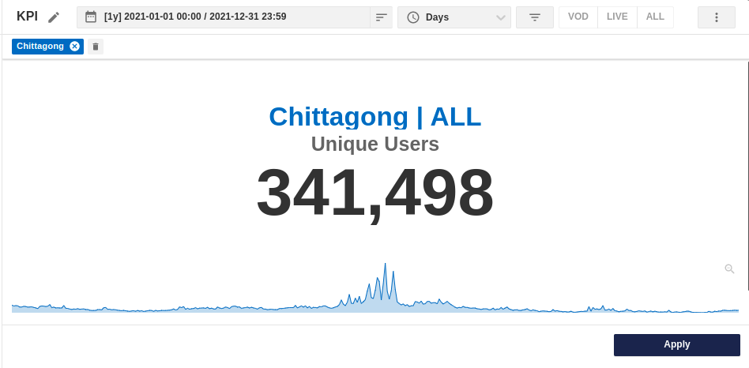
Device Type and Connection Type Used By Unique Users |  |  |  |  |  |  | isp | Unique Users | Avg. Packge Price (est.)
Device Type | Unique Users | Cable/DSL | Cellular | Avg Price | Price Type |  | Robi (cellular) | 47.17% | 99.00
SmartPhone | 73.92% | 48.26% | 51.18% | 10,000.00 | 1 time |  | Orange Communication | 10.45% | 1,325.00
Phablet | 15.28% | 59.08% | 40.29% | 10,000.00 | 1 time |  | Cloudone | 3.85% | 1,233.33
PC | 3.75% | 95.43% | 3.55% | 30,000.00 | 1 time |  | Plusnet Communication | 2.19% | 950.00
STB | 2.27% | 91.83% | 7.67% | 2,499.00 | Monthly |  | Digital Dot Net DDN | 2.12% | 1,166.67
TV | 1.40% | 94.20% | 5.28% | 20,000.00 | 1 time |  | EARTH TELECOMMUNICATION Pvt | 1.67% | 1,000.00
Tablet | 1.14% | 80.61% | 18.52% | 15,000.00 | 1 time |  | Link3 Technologies | 1.49% | 2,095.56
Feature Phone | 0.13% | 97.07% | 2.93% | 2,000.00 | 1 time |  | Click Earth Online | 1.37% | 1,460.00
Unknown | 8.11% | 57.27% | 42.18% |  |  |  | Chittagong Online Limited AS38592 AP | 1.36% | 1,200.00
 |  |  |  |  |  |  | Novus Network | 1.24% | 770.00
Data Source: Youbora |  |  |  |  | Total Unique Uses | 341498

 |  |  |  |  | 2021
Device | Uniqe Users |  |  |  | Income Group | Unique Users | Income | Based on
Android | 92.13% |  |  |  | High | 7.63% | 200,000.00 | Users who use iPhone, Mac, iPad, Sony Bravia, 4.88% from Android and Higher Braodband Internet Packages
PC( Windows ) | 3.59% |  |  |  | Medium | 37.81% | 80,000.00 | Users who use 35.86% from Android, PC, SmartTV and Medium Broadband Internet Packages
iPhone | 2.33% |  |  |  | Low | 32.64% | 35,000.00 | Users who use 35.43% Android, and Lower Broadband or Cellular Internet Packages
Chittagong Income Group
Samsung - Tizen | 0.31%
Sony Bravia | 0.47%
Xiaomi | 0.69%
PC( Linux ) | 0.19%
iPad | 0.20%
PC( MAC ) | 0.14%
LG | 0.02%

Financial Expenses Monthly for High Income Group |  |  |  |  | Financial Expenses Monthly for Medium Income Group |  |  |  | Financial Expenses Monthly for Low Income Group
Item | Price | EMI | EMI / Income |  | Item | Price | EMI | EMI / Income | Item | Price | EMI | EMI / Income
Iphone | 113,500.00 | 9,458.33 | 4.73% |  | Smart Phone | 15,000.00 | 1,250.00 | 1.56% | Phone | 6,000.00 | 500.00 | 1.43%
Mac | 100,000.00 | 8,333.33 | 4.17% |  | PC | 40,000.00 | 3,333.33 | 4.17% |  |  |  | 0.00%
Sony Bravia | 100,000.00 | 8,333.33 | 4.17% |  | SmartTV | 70,000.00 | 5,833.33 | 7.29% |  |  |  | 0.00%
Internet | 15,900.00 | 1,325.00 | 0.66% |  | Internet | 9,600.00 | 800.00 | 1.00% | Internet | 6,000.00 | 500.00 | 1.43%
House |  | 25,000.00 | 12.50% |  | House |  | 10,000.00 | 12.50% | House |  | 5,000.00 | 14.29%
Food |  | 20,000.00 | 10.00% |  | Food |  | 10,000.00 | 12.50% | Food |  | 5,000.00 | 14.29%
Medicine |  | 5,000.00 | 2.50% |  | Medicine |  | 2,000.00 | 2.50% | Medicine |  | 500.00 | 1.43%
Total (Considering AVG pirce of Used Device) |  |  | 30.02% |  | Total (Considering AVG pirce of Used Device) |  |  | 32.84% | Total (Considering AVG pirce of Used Device) |  |  | 31.90%

 |  |  |  |  |  | on average Rent is 30% of someone's income

Unregistered Users
All Users |  |  |  | ** Title, Content type and Content genre was taken from the Top Table widget of Youbora
Total CTG Unique users |  | 341498
Total Live TV |  | 204777
Unregistered Users
Total VOD |  | 210984
Total Prime

Un-registered Users
Months | Unique User | Live TV UU | VOD UU | VOD:LIVE | VOD | 51.02%
 |  |  |  |  | Live TV | 48.98%
Jan | 5,520 | 3,796 | 4,566 | 1.20
Feb | 5,800 | 4,020 | 4,788 | 1.19 | Total |  | 41,137
Mar | 6,235 | 4,582 | 5,041 | 1.10
Apr | 6,834 | 5,257 | 5,341 | 1.02
May | 7,339 | 5,309 | 5,939 | 1.12
Jun | 8,077 | 6,572 | 5,889 | 0.90
Jul | 9,925 | 8,109 | 7,185 | 0.89 | 1>VOD = VOD watched most
Aug | 8,778 | 6,077 | 7,087 | 1.17 | 3 months e LIVE TV keno beshi dekhse??!
Sep | 6,992 | 5,414 | 5,039 | 0.93 | (Summer Olympic Tokyo (Jul 23 - Aug 8), Copa América (Jun 13 - Jul 10) and UEFA Chamions Leage was started from Jun 22, 2021
Oct | 5,623 | 3,845 | 4,204 | 1.09 | From the chittagong content analysis sheet
Nov | 3,010 | 1,497 | 2386 | 1.59
Dec | 2,754 | 1,527 | 2000 | 1.31

Total | 76887 | 56005 | 59465

Youbora | 26,444 | 20,147 | 20,990

Difference | 50,443 | 35,858 | 38,475
Max | 9,925 | 8,109 | 7,185
Min | 2,754 | 1,497 | 2,000

Movie
Month | Content Type | Content Genre | Content Subtype
 |  |  |  |  |  |  |  |  | Genre | Sub-Type
Jan | movie, single-drama, drama-serial, telefilm, clip |  |  |  |  |  |  | Movie | Action, Romance | Dubbed | 4 dubbed hindi, genre action and romance mixed, 29th sept e release, engagement was most after 10 PM
Feb | movie, single-drama, drama-serial, telefilm, web-series |  |  |  |  |  |  |  | Romance, Horror | Bangla
Mar
Apr
May |  |  |  |  |  |  |  | Telefilm
Jun |  |  |  |  |  |  |  | Web Series
Jul
Aug
Sep
Oct
Nov
Dec

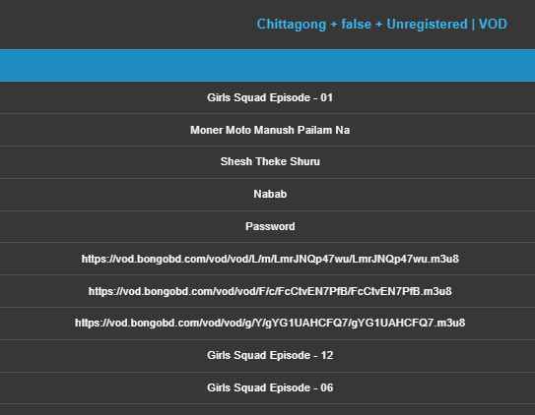
Year | Content Type | Title | Content Genre | Published

2021 | movie | Moner Moto Manush Pailam Na | Thriller, Action, Crime, Drama, Romance | 2022
 |  | Password | Romance,Action,Drama | 2020-05-25
 |  | Nabab | action,drama,romance | 2019-10-25
 |  | Dohon | Drama | 2020-10-02
 |  | Badsha - The Don | action,drama,romance | 2020-03-26
 |  | Rokto | Action | 2020-08-01

 | drama-serial | Girls Squad Episode - 01 | comedy,drama,romance,women-s-empowerment | 2021-07-21
 |  | Sohosro Ek Rojoni Episode - 01 (Shushongbad ebong Dushshongbad) | drama,family | 2021-03-01
 |  | Sohosro Ek Rojoni Episode - 02 (Rokter Shomporko Osshikar) | drama,family | 2021-03-02
 |  | Girls Squad Episode - 06 | comedy,drama,romance,women-s-empowerment | 2021-07-26
 |  | Girls Squad Episode - 07 | comedy,drama,romance,women-s-empowerment

 |  | Mitobayi Motin Episode - 01 | comedy,drama | 2016-10-24
 |  | Jannat Episode - 01 | comedy,drama | 2018-10-15
 |  | Fifty 50 Episode - 001 | comedy

 | single-drama | 90 Days | drama,romance | 2021-02-13
 |  | The Master Plan | crime,drama,thriller | 2020-12-13
 |  | Honey Honey Moon Moon | drama,romance | 2020-08-15
 |  | Love Box | drama,romance | 2019-05-23
 |  | Mukh O Mukhosher Golpo | drama
 |  | Fapor | drama | 2019-12-09

 | telefilm | Moronottom | Drama, Crime, Thriller | 2021-05-16
 |  | Laboni | drama | 2021-05-17
 |  | Alibaba O Chalichar
 |  | Birds Eye | Romance | 2020-08-01
 |  | Shohore Tukro Roud
 |  | Charer Master | drama,romance | 2021-05-18

 | clip | Bongo Football Pundit - EP 02
 |  | Shakib-er Nobab LLB Mukti Peleo Atke Gelo Apu Biswas-er Komola | celebrity,news | 2021-01-07
 |  | Bongo Football Pundit - Ep 01 | talk-show,celebrity,sports
 |  | Watch Live TV Channels in Android Phone
 |  | Paliye Biye Korar Mojai Alada - Tor Karone Beche Achi
 |  | Bongo Football Pundit - EP 03

Registered Users
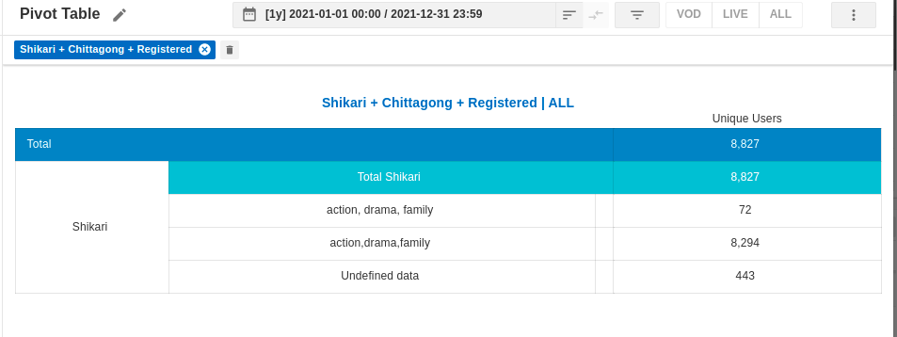
Registered Users
Months | Unique User | Live TV UU | Premium Live | NPremium Live | VOD UU | Prime VOD UU | NPrime VOD UU | Content Type | Content Genre | Content Subtype

Jan | 34,656 | 19,096 | 2,177 | 18,396 | 23,450 | 1,384 | 22,875
Feb | 14,663 | 8,482 | 31 | 8,479 | 9,575 | 30 | 9,488
Mar | 13,602 | 7,780 | 2 | 7,753 | 8,733 | 1 | 8,675
Apr | 20,116 | 12,629 | 178 | 12,588 | 12,237 | 137 | 12,036
May | 20,221 | 11,064 | 137 | 11,028 | 13,518 | 112 | 13,327
Jun | 45,304 | 32,183 | 54 | 32,167 | 22,626 | 46 | 22,433
Jul | 77,927 | 58,794 | 35 | 58,770 | 33,967 | 57 | 33,644
Aug | 25,982 | 11,003 | 7 | 10,991 | 18,167 | 293 | 17,878 |  | VOD | 50.68%
Sep | 12,781 | 5,988 | 7 | 5,976 | 8,455 | 224 | 8,324 |  | Live TV | 49.32%
Oct | 25,891 | 12,553 | 8,634 | 4,176 | 16,279 | 546 | 15,979
Nov | 26,208 | 11,204 | 456 | 10,898 | 17,919 | 514 | 17,627 |  | Total |  | 374,558
Dec | 27,401 | 12,029 | 4 | 12,014 | 19,298 | 690 | 18,954
Registered Users
Total | 344,752 | 202,805 | 11,722 | 193,236 | 204,224 | 4,034 | 201,240

Youbora | 315,499 | 184,725 | 11,587 | 176,031 | 189,833 | 3,765 | 187,051

Difference | 29,253 | 18,080 | 135 | 17,205 | 14,391 | 269 | 14,189
Max | 77,927 | 58,794 | 8,634 | 58,770 | 33,967 | 1,384 | 33,644
Min | 12,781 | 5,988 | 2 | 4,176 | 8,455 | 1 | 8,324

Year | Content Type | Title | Content Genre | Published

2021 | movie | Moner Moto Manush Pailam Na | Thriller, Action, Crime, Drama, Romance | 2022
 |  | Password | Romance,Action,Drama | 2020-05-25
 |  | Nabab | action,drama,romance | 2019-10-25
 |  | Badsha - The Don | action,drama,romance | 2020-03-26 |  | Top 10 Content type Reg. UU |  | 426162
 |  | Shikari | action, drama | 2019-11-15 |  | Udefined data for content type (Reg UU) |  | 217331
 |  | Rokto | Action | 2020-08-01 |  |  |  | 51.00% | Data Source Youbora Pivot Table

 | drama-serial | Girls Squad Episode - 01 | comedy,drama,romance,women-s-empowerment | 2021-07-21
 |  | Sohosro Ek Rojoni Episode - 01 (Shushongbad ebong Dushshongbad) | drama,family
 |  | Sohosro Ek Rojoni Episode - 02 (Rokter Shomporko Osshikar) | drama,family
 |  | Mitobayi Motin Episode - 01 | comedy,drama | 2016-10-24
 |  | Jannat Episode - 01 | comedy,drama
 |  | Girls Squad Episode - 06 | comedy,drama,romance,women-s-empowerment | 2021-07-26
 |  | Fifty 50 Episode - 001 | comedy | 2020-02-04

 | single-drama | The Master Plan | crime,drama,thriller | 2020-12-13
 |  | Honey Honey Moon Moon | drama,romance | 2020-08-15
 |  | Love Box | drama,romance | 2019-05-23
 |  | Win or Lose | comedy,drama | 2020-02-01
 |  | Fapor | drama | 2019-12-09
 |  | 90 Days | drama,romance | 2021-02-13

 | telefilm | Dost Dushmon | drama | 2020-09-19
 |  | 22 she April | Family, Drama, Tragedy | 2020-10-25
 |  | Moronottom | Drama, Crime, Thriller | 2021-05-16
 |  | Birds Eye | Romance | 2020-08-01
 |  | Laboni | drama | 2021-05-17
 |  | Charer Master | drama,romance | 2021-05-18

 | clip | Bongo Football Pundit - EP 02 | talk-show,celebrity,sports
 |  | Shakib-er Nobab LLB Mukti Peleo Atke Gelo Apu Biswas-er Komola | celebrity,news | 2021-01-07
 |  | Bongo Football Pundit - Ep 01 | talk-show,celebrity,sports
 |  | Bongo Offline Download | promotion
 |  | The World of Password | funny,movie,review | 2020-04-13

Top Vod Contents
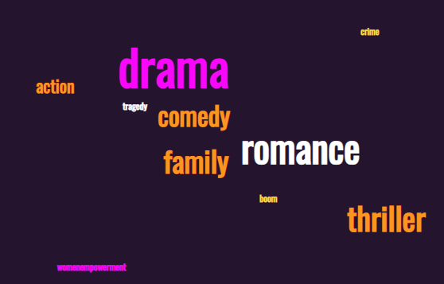
 |  | Active Users - Chittagong |  |  |  |  |  |  | Movie |  |  |  |  | Dhaka
Content | Genre | Male | Female | Youth (18 - 24) | Young Adults (25 - 34) | Adults (35 - 44) | Older Adults (45 - 54) | Senior (55 - 64) | Male | Female | Youth | Young Adults | Adults | Cumilla
Nabab | Thriller/Romance | 90.66% | 9.34% | 37.70% | 36.60% | 13.00% | 2.40% | 1.20% | 89.23% | 11.11% | 39.54% | 38.43% | 13.87% | Narayanj
Shikari | Action/Drama |  |  |  |  |  |  |  |  |  |  |  |  | Mymensingh
Moner Moto Manush Pailam Na | Thriller, Action, Crime, Drama, Romance | 89.55% | 10.45% | 43.50% | 36.90% | 13.20% | 2.60% | No Data | Drama
Password | Romance,Action,Drama | 87.47% | 13.53% | 37.42% | 41.79% | 15.41% | 1.10% | No Data | Male | Female | Youth | Young Adults | Adults
Jannat | Thriller/Drama/Family/Romance |  |  |  |  |  |  |  | 85.72% | 14.28% | 38.33% | 36.72% | 22.57%
Shohosro Ek Rojoni | Drama/Romance | 85.00% | 15.00% | 42.10% | 34.00% | 20.00% | 2.00% | No Data
Girls Squad | Women Empowerment/Drama | 78.70% | 21.30% | 36.88% | 34.15% | 23.70% | 5.27% | No Data
Mitobayi Motin | Comedy/Drama | 93.47% | 6.53% | 36.00% | 42.00% | 24.00% | 2.00%
Hares | Action/Crime/Thriller |  |  |  |  |  |  |  | Single Drama
 |  |  |  |  |  |  |  |  | Male | Female | Youth | Young Adults | Adults
2 Mad Men | Thriller/Comedy/Drama | 90.10% | 9.90% | 35.40% | 23.60% | 17.70% | No Data | No Data | 82.83% | 17.17% | 33.07% | 43.47% | 20.23%
Mukh O Mukhosher Golpo | Drama
90 days | Drama/Romance | 79.97% | 20.03% | 25.00% | 56.20% | 12.50%
Honey Honey Moon Moon | Drama/Romance | 73.07% | 26.93% | 40.80% | 37.10% | 25.90% | 3.70% | 3.70%
The Master Plan | Crime/Drama/Thriller | 95.45% | 4.55% | 33.40% | 37.10% | 22.30% | No Data | No Data
Gojodontini | Drama
Shadharon Gyan | Funny/Drama/Romance
22 She April | Tragedy/Drama/Family |  |  |  |  |  |  |  | Telefilm
Birds Eye | Romance | 75.01% | 24.99% | 53.90% | 46.20% | 7.70% |  |  | Male | Female | Youth | Young Adults | Adults
Moronottom | Thriller/Crime/Drama | 86.00% | 14.00% | 40.95% | 24.67% | 16.45% | No Data | No Data | 77.90% | 22.10% | 41.15% | 35.52% | 10.45%
Laboni | Thriller/Crime/Drama | 72.68% | 27.32% | 28.60% | 35.70% | 7.20% | 7.20%
Miss Shuily | Drama/Family
Dost Dushmon | Drama/Romance
Kurbani | Drama/Family/Romance |  |  |  |  |  |  |  | Clip
Bongo Football Pundit | Talk Show | 75.00% | 25.00% | 33.33% | 33.33% | 33.33% |  |  | Male | Female | Youth | Young Adults | Adults
Shakib-er Nobab LLB Mukti Peleo Atke Gelo Apu Biswas-er Komola | Celebrity News | 75.00% | 25.00% | 66.70% | 33.33% | 33.33% |  |  | 75.00% | 25.00% | 50.02% | 33.33% | 33.33%
Biye Korte GIye | Comedy/Drama/Family
No More Words | Drama
Shondeher Obokash | Drama
Alibaba O Chalichar | Thriller/Comedy/Drama
Plural No 3rd Person | Drama
Chorer Upor Batpari | Comedy/Boom/Drama
Haripada Haribol | Comedy/Drama/Romance
Laboni | Thriller/Crime/Drama

Overall Top Content Genre

